Sheet1

PIONEER SERVICES

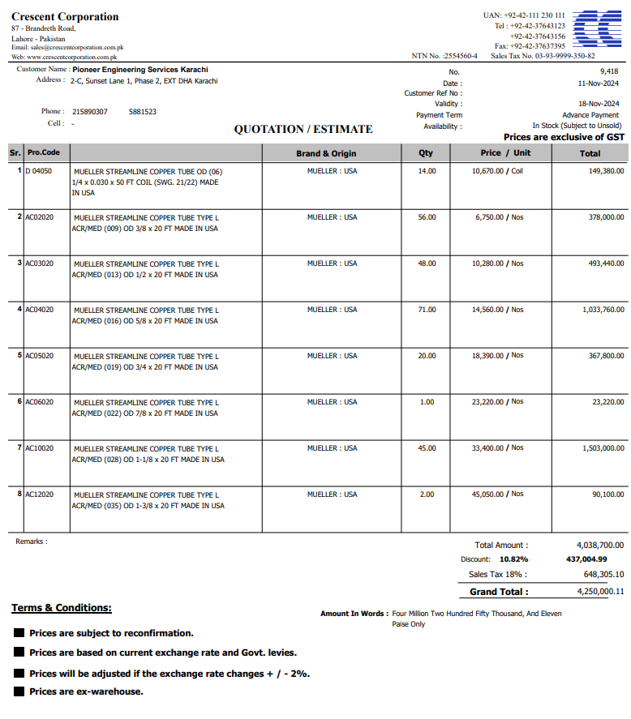


M/S Crescent corporation |  |  |  |  | 2-Dec-24

Att: Mr. Atif Munawwar

Material requisition against PO 13478

Supply of Mueller Brand Copper pipe for the project NICVD
S No. | D e s c r i p t i o n | Qty | Unit | Rate | Amount
 | Brand: Mueller USA |  |  |  |  | 575,000
1 | Supply of Copper tube size 1/4" Dia | 0 | Coil | 10,670 | 0
2 | Supply of Copper L-Type Mueller USA 3/8" Dia | 25 | Len | 6,750 | 168,750
3 | Supply of Copper L-Type Mueller USA 1/2" Dia | 25 | Len | 10,280 | 257,000
4 | Supply of Copper L-Type Mueller USA 5/8" Dia | 35 | Len | 14,560 | 509,600
5 | Supply of Copper L-Type Mueller USA 3/4" Dia | 10 | Len | 18,390 | 183,900
6 | Supply of Copper L-Type Mueller USA 7/8" Dia | 1 | Len | 23,220 | 23,220
7 | Supply of Copper L-Type Mueller USA 1-1/8" Dia | 25 | Len | 33,400 | 835,000
8 | Supply of Copper L-Type Mueller USA 1-3/8" Dia | 2 | Len | 45,050 | 90,100
 |  | TOTAL: |  |  | 2,067,570
Discount 10.82% |  |  |  |  | 223,711
Total amount |  |  |  |  | 1,843,859
Sales Tax 18% |  |  |  |  | 331,895
Total amount |  |  |  |  | 2,175,754

Note: This PO is subject to the consultant's approval.

for IK Associates

